Spacecraft Yaw Flips
SPACECRAFT ORIENTATION CHANGES

DATE & TIME | DETAILS
28-Dec-2018/18:53:08 | Yaw Flip to -X orientation (BACKWARD)
07-Sep-2019/01:04:06 | Yaw Flip to +X orientation (FORWARD)
14-May-2020/01:49:03 | Yaw Flip to -X orientation (BACKWARD)
15-Jan-2021/15:17:01 | Yaw flip to +X orientation (FORWARD)
02-Oct-2021/02:20:01 | Yaw Flip to -X orientation (BACKWARD)
09-Jun-2022/01:31:19 | Yaw flip to +X orientation (FORWARD)
09-Feb-2023/16:59:14 | Yaw Flip to -X orientation (BACKWARD)
27-Oct-2023/13:26:50 | '^ . Yaw Flip YF to positive X flying directon '

 |  | The forward orientation (sc_orient == 1 in ATL03) corresponds to ATLAS traveling along the +x coordinate in the ATLAS instrument reference frame (see ATL02). In this orientation, the weak beams lead the strong beams and a weak beam is on the left edge of the beam pattern (Figure 12‑1). The table below indicates the mapping between ATLAS spots, beam strength, PCE card number, and the ground track designation used on the ATL03 data product when ATLAS is oriented in the forward orientation. | The backward orientation (sc_orient == 0 in ATL03) corresponds to ATLAS traveling along the -x coordinate in the ATLAS instrument reference frame (see ATL02). In this orientation, the strong beams lead the weak beams and a strong beam is on the left edge of the beam pattern (Figure 12-2). The table below indicates the mapping between ATLAS spots, beam strength, PCE card number, and the ground track designation used on the ATL03 data product when ATLAS is oriented in the backward orientation.
SOLAR ARRAY ORIENTATION CHANGES
26-Jun-2019/16:00:00 | * the spacecraft and instrument were in safe hold for 15 days following a solar array anomaly.
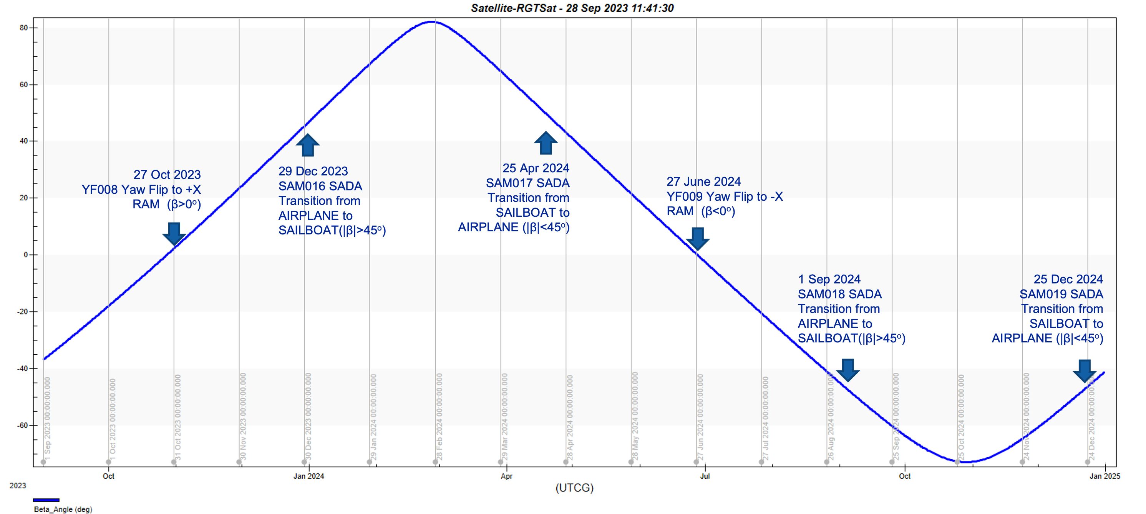
16-Nov-2019/18:28:24 | '^ . SADA mode transition to SAILBOAT '
'09-Mar-2020 01:56:31' | '^ . Solar Array Mode transition SAM to AIRPLANE '
17-Jul-2020/16:17:00 | '* . SAMa SADA Mode to SAILBOAT minute'
16-Nov-2020/19:07:19 | '* . SAMa SADA Mode to AIRPLANE minute'
21-Mar-2021/14:23:30 | '* . SAMa SADA Mode to SAILBOAT '
16-Jul-2021/15:26:23 | '^ . SAMa SADA Mode to AIRPLANE '
10-Dec-2021/16:14:14 | ^ . SAMa SADA Mode to SAILBOAT '
04-Apr-2022/14:12:35 | '^ . SAMa SADA Mode to AIRPLANE '
11-Aug-2022/14:03:42 | '^ . SAMa SADA Mode to SAILBOAT '
10-Dec-2022/11:49:18 | '^ . SAMa SADA Mode to AIRPLANE '
17-Apr-2023/12:05:29 | '^ . SAMa SADA Mode to SAILBOAT '
17-Aug-2023/16:29:30 | '^ . SAMa SADA Mode to AIRPLANE '
28-Dec-2023/14:36:56 | '^ . SAMa SADA Mode to SAILBOAT '

